FDI effectiveness
FDI Rating Quartile (domains 2 and 3) | percent | count | Alternate FDI Quartile Rating (all domains) | percent | count
1 | 30.4% | 34 | 1 | 26.1% | 29
2 | 30.4% | 34 | 2 | 27.9% | 31
3 | 20.5% | 23 | 3 | 20.7% | 23
4 | 18.8% | 21 | 4 | 25.2% | 28

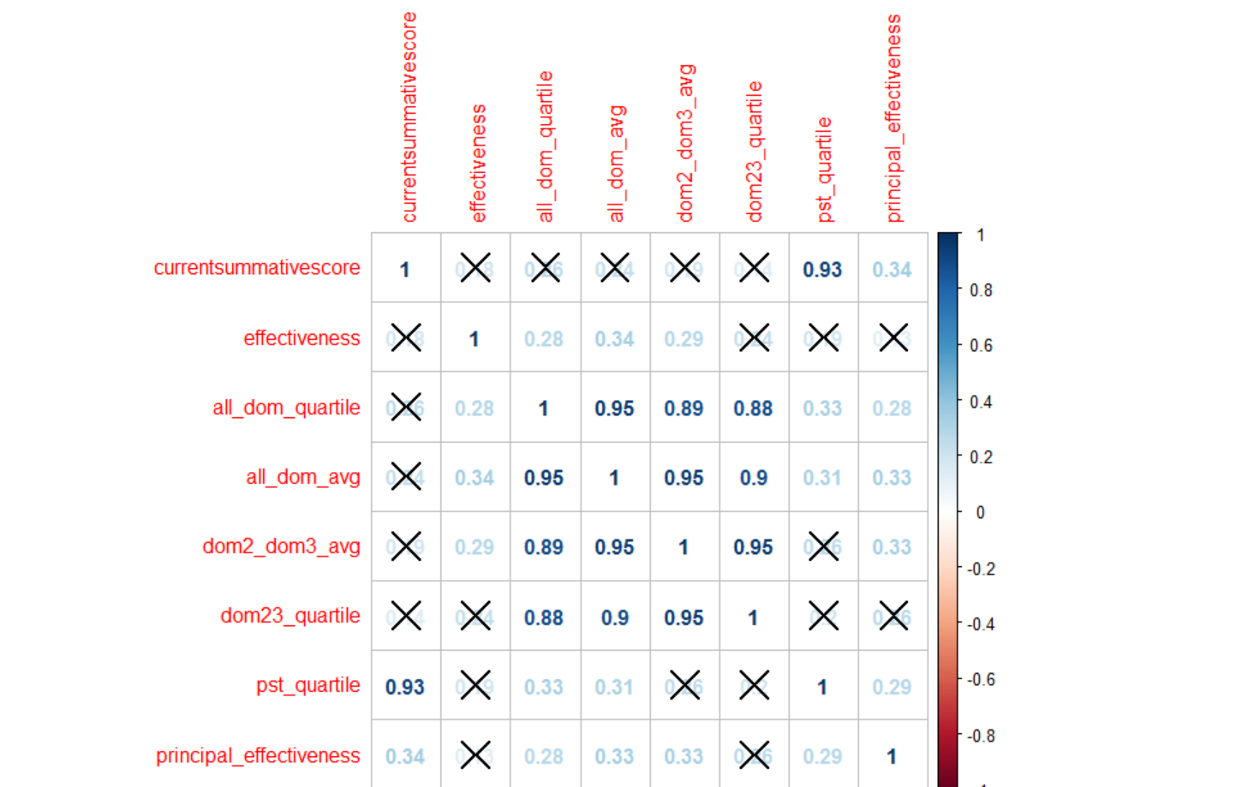

 | *moderate, significant correlation between all_dom_avg/quartile and pst quartile, as well as principal effectiveness rating, but not average of domain 2 and 3, which is how we usually rate FDI

